Simplified Method
 | Canadian Foreign Income Verification Statement

 | A Canadian resident taxpayer is required to file Form T1135 “Foreign Income Verification Statement” if at any time in the year, the total cost amount to the reporting taxpayer of all "Specified Foreign Property" was more than CAD$100,000.

 | An individual (other than a trust) does not have to file a T1135 for the year in which he/she first becomes a resident of Canada (previous residents of Canada re-establishing their residency are required to file Form T1135).
Can you use this method?
If the total cost of all specified foreign property held at any time during the year exceeds $100,000 but was less than $250,000 you may complete the form using the simplified reporting method below. Otherwise continue to the "Detailed Method" tab.

 | Simplified Reporting Method
 | (check all that apply)

 | Funds held outside Canada
 | Shares of non-resident corporations (other than foreign affiliates)
 | Indebtedness owed by non-resident
 | Interests in non-resident trusts
 | Real property outside Canada (other than personal use and real estate used in an active business)
 | Other property outside Canada
 | Property held in an account with a Canadian registered securities dealer or Canadian trust company

 | Select the top three countries based on the maximum cost amount of specified foreign property held during the year.

 |  | Total | Currency
 | Gross income from all specified foreign property ***
 | Gain (loss) from the disposition from all specified foreign property

***Gross income from all specified foreign property means the TOTAL income (before any expenses) you received from all Non-Canadian property in any of the categories above. Please use the "CRA Instructions" tab for clarifications on what is included in "Specified Foreign Property".

CRA Instructions
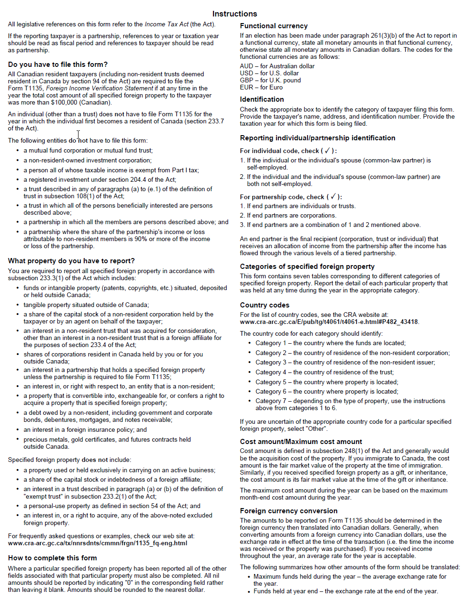
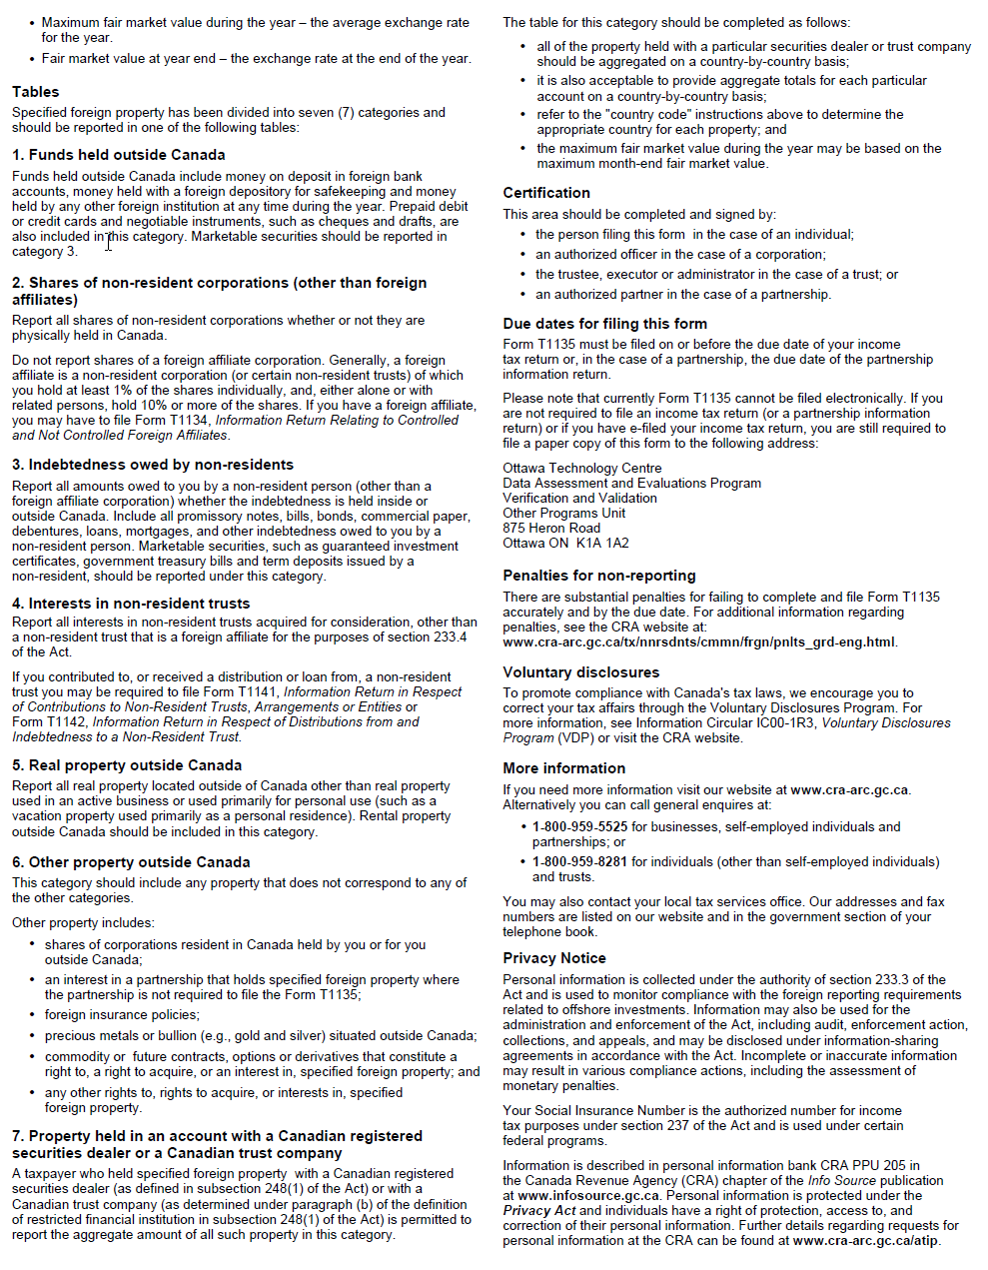
For frequently asked questions or examples, please refer to the CRA website:
https://www.canada.ca/en/revenue-agency/services/tax/international-non-residents/information-been-moved/foreign-reporting/questions-answers-about-form-t1135.html

